Sheet1
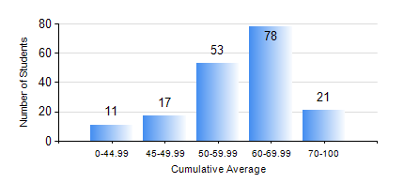
 |  |  | KWAME NKRUMAH UNIVERSITY OF SCIENCE AND TECHNOLOGY, KUMASI Department of Telecommunication Engineering

 |  |  | BSC. TELECOMMUNICATION ENG.

 |  |  | COMPREHENSIVE RECORD OF EXAMINATION RESULTS

 |  |  | RESULTS OF YEAR 1 FIRST SEMESTER, 2024/2025 ACADEMIC YEAR

 | Sn | Course Code |  | Course Name | Credit Hours | Min. Mark | Max. Mark | Avg. Mark | Std. Dev. | No. Passed | No. Trailed | No. (Df) | No. (I) | No. (I*) | No. Tagged(I,I*,Df) | Total
 | 1. | CE 155 |  | ENVIRONMENTAL STUDIES | 2 | 0 | 78 | 51 | 11.75 | 160 | 20 | 0 | 0 | 0 | 0 | 180
 | 2. | EE 151 |  | APPLIED ELECTRICITY | 3 | 0 | 84 | 49 | 11.71 | 157 | 23 | 0 | 0 | 0 | 0 | 180
 | 3. | EE 153 |  | ENGINEERING TECHNOLOGY | 2 | 59 | 94 | 80 | 6.81 | 174 | 0 | 6 | 0 | 0 | 6 | 180
 | 4. | ENGL 157 |  | COMMUNICATION SKILLS I | 2 | 0 | 85 | 64 | 12.09 | 177 | 3 | 0 | 0 | 0 | 0 | 180
 | 5. | MATH 151 |  | ALGEBRA | 4 | 0 | 87 | 62 | 11.63 | 178 | 2 | 0 | 0 | 0 | 0 | 180
 | 6. | ME 159 |  | TECHNICAL DRAWING | 2 | 0 | 83 | 57 | 14.66 | 171 | 9 | 0 | 0 | 0 | 0 | 180
 | 7. | ME 161 |  | BASIC MECHANICS | 3 | 0 | 98 | 61 | 20.01 | 159 | 21 | 0 | 0 | 0 | 0 | 180

